Bar Chart
Row Labels | Average of Year Resale Value | Average of Price
Acura | $21,986.67 | $30,633.33
Audi | $28,270.00 | $39,980.00
BMW | $29,766.67 | $33,096.67
Buick | $14,941.25 | $26,781.25
Grand Total | $23,064.23 | $32,173.46

Column, Pie, Sunburst Chart
Manufacturer | Model | Unit Sales | Price | Year Resale Value | Retention % | Retention Value | Engine Size | Horsepower | HP Level | Vehicle_type | Fuel Efficiency | Power Perf Factor
Toyota | 4Runner | 68411 | $22,288 | $19,425 | 87% | GOOD | 2.7 | 150 | Medium HP | Car | 23 | 62.35557713
Toyota | Avalon | 63849 | $25,545 | $18,140 | 71% | GOOD | 3 | 210 | Medium HP | Passenger | 26 | 84.91189826
Toyota | Camry | 247994 | $17,518 | $13,245 | 76% | GOOD | 2.2 | 133 | Medium HP | Passenger | 27 | 54.37241965
Toyota | Celica | 33269 | $16,875 | $15,445 | 92% | GOOD | 1.8 | 140 | Medium HP | Passenger | 31 | 56.49603034

 | Power Perf Factor
4Runner | 62.35557713
Avalon | 84.91189826
Camry | 54.37241965
Celica | 56.49603034
 | Retention %
4Runner | 87%
Avalon | 71%
Camry | 76%
Celica | 92%

dashboard
 | Power Perf Factor
4Runner | 62.35557713
Avalon | 84.91189826
Camry | 54.37241965
Celica | 56.49603034

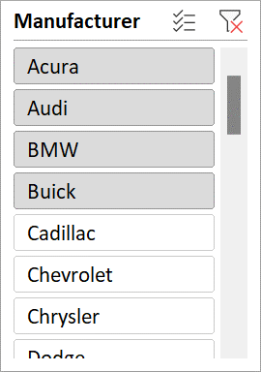

 | Retention %
4Runner | 87%
Avalon | 71%
Camry | 76%
Celica | 92%

